Mandates
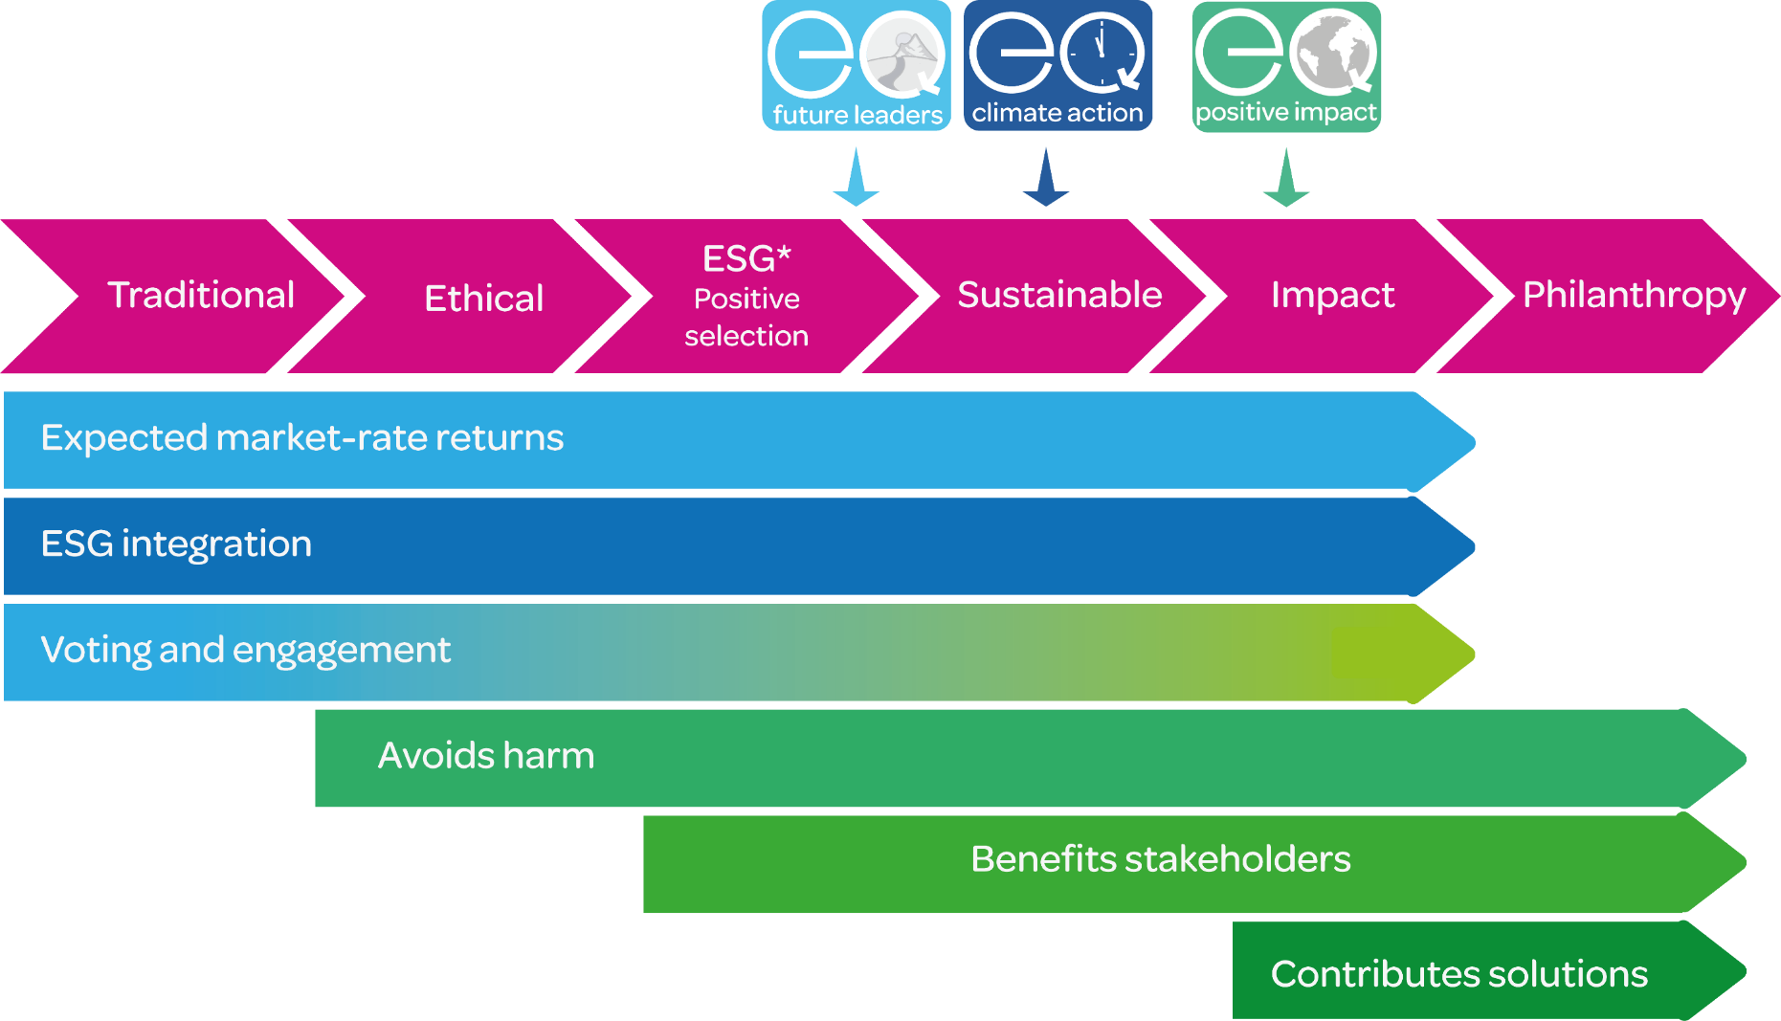
EQ Portfolio Mandates and Objectives
Portfolio | Investment Objective | Position on Spectrum of capital
Positive Impact | The Positive Impact portfolios have been designed with a dual mandate, to maximise financial returns and to deliver a positive impact on both society and the environment, in alignment with UN Sustainable Development Goals. EQ's positive impact approach focuses on selecting "net positive impact" companies whose products and services are providing solutions to major sustainability challenges, and are also managing their operations responsibly. This approach naturally avoids a large number of controversial industries and product involvements. | Impact
Climate Action | The Climate Action portfolios have been designed with a dual mandate, to maximise financial returns and contribute to a low carbon economy. This strategy selects funds that invest in companies providing climate solutions, presenting climate-leadership compared to sector peers and driving the transition in the path to ‘Net Zero’, while avoiding some controversial sectors. The strategy is comprised of specialist, actively managed and passive tracker funds. | Sustainable
Future Leaders | The Future Leaders portfolios invest in passively managed funds, with the aim of providing strong returns at a reduced cost. This strategy selects passively managed funds that invest in well-run businesses, showing leadership within their sector in managing relevant environmental, social and governance (ESG) risks, and that avoid the most controversial sectors (armaments, tobacco, gambling, fossil fuel extraction, etc.). This is complemented by the addition of sustainable thematic funds targeting sustainable themes. | ESG (positive selection)

